MOSTLY CONFIDENCE INV
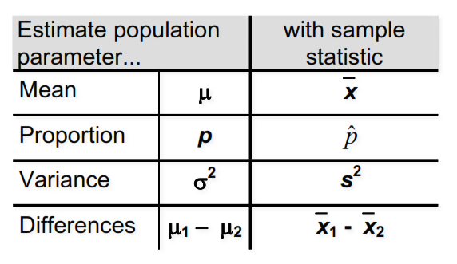
NORMAL DISTRIBUTION
Ketika stdev population known

Student T-dist
Ketika stdev population unknown dan S is known

Chi-square (buat sampling dist S^2)
Populasi harus normal

F-dist (rasio variance 2 different samples)
Populasi harus normal

Standard error of the mean
Stdev P | n | Standard error
1 | 1 | 1

Test statistics
μ | 6 |  | Z
σ | 0.15 |  | 2.7429100524
n | 80
X bar | 6.046

Critical value
Confidence level |  | One tail > | 1.645
95% |  | One tail < | 1.645
 |  | Two tail | -1.960 | 1.960

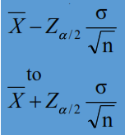
Confidence intervals if σ is known
Confidence level |  | Za/2
95% |  | 1.960
X bar | 2.2
σ | 0.35
n | 11
Low | High
1.9931670183 | 2.4068329817

Confidence intervals if σ is unknown
Confidence level |  | Ta/2
95% |  | 2.064
X bar | 50
S | 8
n | 25
df | 24
Low | High
46.697762301 | 53.302237699

Difference between two means
X bar 1 | 42
X bar 2 | 36
n1 | 50
n2 | 75
σ1 | 6 |  | 36
σ2 | 8 |  | 64
Confidence level |  | Za/2
95% |  | 1.960
Low | High
3.5415665128 | 8.4584334872

Confidence interval for a proportion
Probability success |  | 25% |  | 100 | Sample size
Confidence level |  | Za/2
96% |  | 2.054
Low | High
0.16107006352 | 0.33892993648

Difference of two proportions
Confidence level |  | Za/2
95% |  | 1.960
p1 | 0.08
p2 | 0.15
n1 | 50
n2 | 40
Low | High
-0.203788181 | 0.063788180999

Sample size
without proportion
Confidence level |  | Za/2
90% |  | 1.645
σ | 45
e | 5
n | 219.14901978
 | 220

with proportion
Confidence level |  | Za/2
95% |  | 1.960
p | 0.12
e | 0.03
n | 450.73116829
 | 451

ONE SAMPLE
TESTS WHEN σ is known
2 Tailed Z test
Confidence level |  | Crit value
95% |  | -1.960 | 1.960

μ | 14 |  | Z
σ | 3.4 |  | -2.6411699201
n | 14 |  | IF Z BETWEEN CRIT VALUE, DON’T REJECT H0
X bar | 11.6

Upper tail Z test
Confidence level |  | Crit value
90% |  |  | 1.282
μ | 52 |  | Z
σ | 10 |  | 0.88
n | 64 |  | IF Z > CRIT VALUE, REJECT H0
X bar | 53.1

Lower tail Z test
Confidence level |  | Crit value
95% |  |  | -1.645
μ | 70 |  | Z
σ | 17.32 |  | -0.83002735987
n | 35 |  | IF Z < CRIT VALUE, REJECT H0
X bar | 67.57

TEST WHEN σ Unknown
2 Tailed T test
Confidence level |  | Crit value
95% |  | -2.160 | 2.160

μ | 14 |  | T
S | 3.4 |  | -2.6411699201
n | 14 |  | IF T BETWEEN CRIT VALUE, DON’T REJECT H0
X bar | 11.6

Lower T test
Confidence level |  | Crit value
95% |  | -1.761

μ | 29 |  | T
S | 6.2 |  | -1.8740241998
n | 15 |  | IF T < CRIT VALUE, REJECT H0
X bar | 26

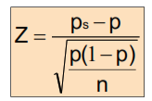
HYPOTHESIS TEST FOR PROPORTIONS
Confidence level |  | Crit value
90% |  | -1.645 | 1.645
n | 200 | Z= | -2.0859650045
p | 0.800
ps | 0.741
 |  |  | IF Z BETWEEN CRIT VALUE, DON’T REJECT H0
np= | 160 | ELIGIBLE
n(1-p)= | 40 | ELIGIBLE

HYPOTHESIS TEST FOR NUMBER OF SUCCESS
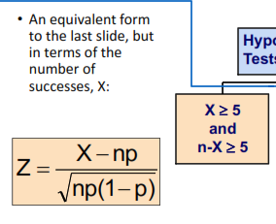

CHI SQUARE TEST OF VARIANCE |  |  | 2 TAILED
σH0 | 1
s | 0.73
n | 30
Confidence level = |  | 90%

X2= | 15.4541
(Test stat)

Crit value
17.708 | 42.556967804

LOWER TAIL

σH0 | 1
s | 0.73
n | 30
Confidence level = |  | 90%

X2= | 15.4541
(Test stat)

Crit value
19.768

2 SMPL
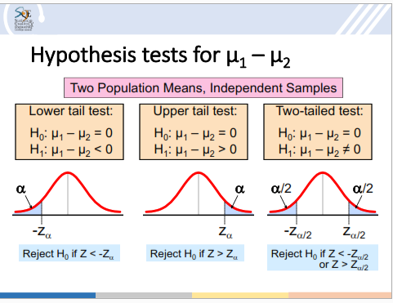

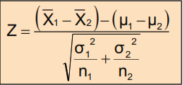
TEST STATISTICS FOR μ1-μ2 |  | where σ1 and σ2 is known
Xbar1 | 5
Xbar2 | 10
σ1 | 15
σ2 | 12
n1 | 13
n2 | 43

Z= | -1.100123205
MEAN DIFFERENCES
POOLED STDEV for σ1 and σ2 unknown
n1 | 21 |  | 2 | 4
n2 | 25 |  | 7 | 15
s1 | 1.3 |  | 3 | 5
s2 | 1.16 |  | 8 | 3
 |  |  | 9 | 4
Sp^2 = | 1.5021454545 |  | 15 | 4
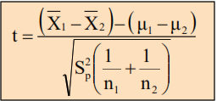
 |  |  | 7 | 4
TEST STATISTIC |  |  | 2 | 8
Xbar1 | 3.27 |  | 6.625 | 5.875 | 4.3732139211 | 3.9798600119
Xbar2 | 2.53
n1 | 21
n2 | 25

T= | 2.040

where σ1 not equal to σ2 and unknown
Xbar1 | 1
Xbar2 | 2
S1 | 3
s2 | 4
n1 | 5
n2 | 6
TEST STATISTIC
T= | -0.47316022341
APPOX DF
v= | 2.961659808

PROPORTIONS
X1 | 36
X2 | 31
n1 | 72
n2 | 50

p hat | 0.54918032787
TEST STATISTICS
Z= | -1.3100674783

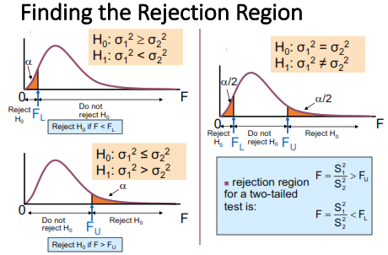
TEST FOR VARIANCES
S1 | 15.2
S2 | 10.1
Alpha | 0.1
F= | 2.2648759925

n1 | 12
n2 | 20

CRIT VALUE FOR 2 tail
0.37621138609 | 2.3402104406

Crit value for uppr tail
 | 1.9320525501

Crit value for lower tail
0.46944491513

